ITA-Productwise
As requested please execute the scenarios alternatively by using different product types / families which I shared earlier with Uma/Pradeep and for Node Lock scenario excluding FNE please consider to test with Devices that are Existing / New / Doesn’t exist in IDV.

Generate:
PRODUCT_TYPE | SUB_GROUP | Product Family Description | Product Name | Features SKU | Node Lock | Comments | Assigned / Unassigned PAK | Internal / External | Device | Automated | MCE_CLEO_Productwise_ITA_V1.0 | MCE_CLEO_Productwise_ITA_V2.0
FLEXLM | CIPPHONEFEAT | CISCO IP Phones migration license | L-CP-E2M-FLEX-CNV= |  | Y | Mac addres - 12 digit random number Example:202105121441 | Unassigned | Internal | Existing | Y | TC01_FlexLM_CIPPHONEFEAT |  |  | Ram
 |  |  |  |  |  |  |  |  | New | Y | TC01A_FlexLM_CIPPHONEFEAT_NewDevice |  |  | Ram
FLEXLM | UCSFEAT | UCS 6100 Series Fabric Interconnect | N10-L003 | N10-L001-B | Y | AAAA1234AAA | Unassigned | Internal | Existing | Y | TC02_FlexLM_UCSFEAT |  |  | Ram
 |  |  |  |  |  |  |  |  | New | Y | TC02A_FlexLM_UCSFEAT_NewDevice |  |  | Ram
FLEXLM | POSITRONFEAT | Identity Services Engine | C1-ISE-BASE-48P |  | Y |  | Unassigned | Internal | Existing | Y | TC03_FlexLM_POSITRONFEAT | TC03_FlexLM_POSITRONFEAT | It is asking always new device so both flows are available in if condition | Ram
 |  |  |  |  |  |  |  |  | New | Y | TC03A_FlexLM_POSITRONFEAT PRODUCT ID - CISCO2811 Serial number - 11 digit random number version id - any 3 digit number |  | It is asking always new device so both flows are available in if condition | Ram
FLEXLM | MDSFEAT | MDS 9000, Nexus 5000 and Nexus 7000 Series Switches | L-MDS-BULK-PAK | L-M92BLKFMSK9 | Y |  | Unassigned | Internal | Existing | Y | TC04_FlexLM_MDSFEAT |  | License Key Installation instruction is not coming | Ram | Final step validation is pending
 |  |  |  |  |  |  |  |  | New | Y | TC04A_FlexLM_MDSFEAT_NewDevice |  | License Key Installation instruction is not coming | Ram
FLEXLM | ISETNCFEAT | Identity Services Engine - TnC Subscription | C1-ISE-APX-50 |  | Y |  | Unassigned | Internal | Existing | Y | TC05_FlexLM_ISETNCFEAT |  | 1. LICENSE KEY INSTALLATION INSTRUCTIONS header only displayed and instruction is not dispalyed on the page 2. It is asking always new device so both flows are available in if condition | Ram
 |  |  |  |  |  |  |  |  | New | Y |  |  |  | Ram
SAFENET | ISR4300FEAT | ISR4300 | FL-4350-HSEC-K9= |  | Y |  | Unassigned | Internal | Existing | Y | TC06_SAFENET_ISR4300FEAT |  |  | Ram
 |  |  |  |  |  |  |  |  | New | Y | TC06A_SAFENET_ISR4300FEAT_NewDevice |  | License Key Installation instruction is not coming | Ram
SAFENET | 800FIXEDFEAT | 800 Fixed | FL-C800-AX= |  | Y | UDI PID & sno | Unassigned | Internal | Existing | Y | TC07_SAFENET_800FIXEDFEAT |  |  | Ram
 |  |  |  |  |  |  |  |  | New | Y | TC07A_SAFENET_800FIXEDFEAT_NewDevice |  | License Key Installation instruction is not coming | Ram
SAFENET | ISR4400FEAT | ISR4400 | SL-44-SEC-K9= |  | Y |  | Unassigned | Internal | Existing | Y | TC08_SAFENET_ISR4400FEAT |  | It is asking always new device so both flows are available in if condition | Ram
 |  |  |  |  |  | Always use this: UDI SN : FDO234700UF UDI PID : ISR4331/K9 |  |  | New | Y | TC08A_SAFENET_ISR4400FEAT_NewDevice |  | It is asking always new device so both flows are available in if condition | Ram
SAFENET | ASR1KFEAT | ASR1001 | FLSASR1-CUE-100= |  | Y |  | Unassigned | Internal | Existing | Y | TC09_SAFENET_ASR1KFEAT |  | It is asking always new device so both flows are available in if condition | Ram
 |  |  |  |  |  |  |  |  | New | Y | TC09A_SAFENET_ASR1KFEAT_NewDevice |  | It is asking always new device so both flows are available in if condition | Ram
FNE | UCFNEFEAT | Cisco Unified Communications | CM10.0-K9-LAB= | BE-10X-UCL-STR | Y | Hostblob | Unassigned | Internal
TANDBERG | TBQUICKSET | Cisco TelePresence Quick Set | CTS-QSC20-K9 | L-ATP-SX20-MS | Y | UDI PID & sno | Unassigned | Internal | Existing | Y | TC11_TANDBERG_TBQUICKSET |  |  | Ram
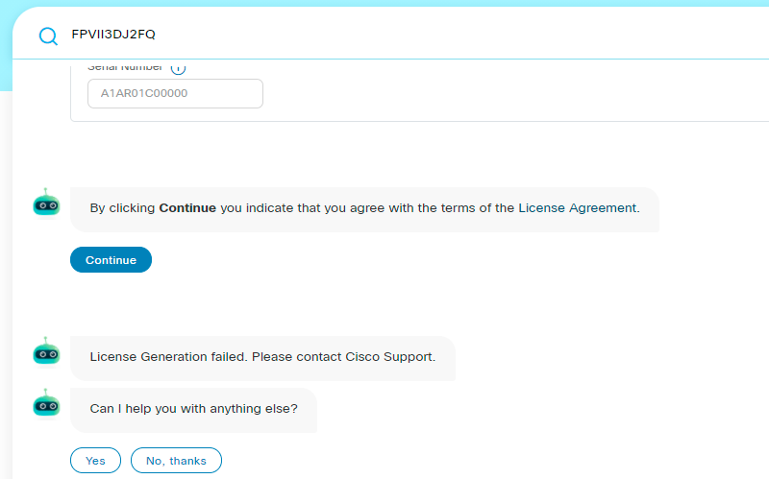
 |  |  |  |  |  | Example: A1AR01C00000 AAAA1234AAA |  |  | New | Y | TC11A_TANDBERG_TBQUICKSET_NewDevice |  |  | Ram
JESTER | IPORTBNDLFEAT | Iron Port Product - SW Bundles | ESA-AMP-LIC= |  | Y | Physical - STS12051936 , Virtual - NA | Unassigned | Internal | Existing | Y | TC12_JESTER_IPORTBNDLFEAT_Physical |  | Selected Physical and It is going with new Device flow always License Genration failed. License step validation is pending. Scripting completed | Ram
 |  |  |  |  |  |  |  |  | New | Y | TC12A_JESTER_IPORTBNDLFEAT_Virtual |  | Selected Virtual and Device is not applicable. License Genration failed. License step validation is pending. Scripting completed | Ram
SOURCEFIRE | SFIRETERMFEAT | Cisco FirePOWER Product - Term | AMP8150-TAMC-LICR= |  | Y | 14 digit randomnumber 2 digits seperated with : Example: 20:21:05:12:14:44:00 | Unassigned | Internal | Existing | Y | TC13_SOURCEFIRE_SFIRETERMFEAT |  |  | Ram
 |  |  |  |  |  |  |  |  | New | Y | TC13A_SOURCEFIRE_SFIRETERMFEAT_NewDevice |  | License Key Installation instruction is not coming | Ram
PROPRIETARY | ASAACTNCFEAT | ASA AnyConnect Term and Content | L-AC-APX-LIC= |  | Y | ASATST55451 | Unassigned | Internal | Existing | Y | TC14_PROPRIETARY_ASAACTNCFEAT |  |  | Akshay
 |  |  |  |  |  |  |  |  | New | Y | TC14A_PROPRIETARY_ASAACTNCFEAT_NewDevice |  | License Key Installation instruction is not coming | Ram
PROPRIETARY | ASA3DES | ASA 3DES license | ASA5500-ENCR-K9 : ASA 5500 Strong Encryption License (3DES/AES) |  | Y | Product family is not available in SLT | Unassigned | Internal

Move:
SUB_GROUP | Product Family Description | PRODUCT_TYPE | Product Name | Feature SKU | Product Family | Node Lock | NonNode Lock
ISR4300FEAT | ISR4300 | SAFENET | FL-43XBD-060-K9= : 60-Day Demo Booster Performance License for 4300 SPARE |  | ISR4300 | Y | N
ASR920FEAT | ASR 920 | SAFENET | ASR_920_P : | ASR_920_F : | ASR 920 | Y | N
XFRMERFEAT | ISR G2 | SAFENET | SL-39-DATA-K9= : Data Paper PAK for Cisco 3900 series | SL-39-SEC-K9 : Security License for Cisco 3900 Series | ISR G2 | Y | N
POSITRONFEAT | Identity Services Engine | FLEXLM | L-ISE-AD3Y-W-250= : ^Cisco ISE 250 Endpoint 3 Year Wireless Subscription License |  | Identity Services Engine | Y | N
MDSFEAT | MDS 9000, Nexus 5000 and Nexus 7000 Series Switches | FLEXLM | DS-C9124-K9 : ^MDS 9124, 8 ports enabled base configuration |  | MDS 9000, Nexus 5000 and Nexus 7000 Series Switches | Y | N
800FIXEDFEAT | 800 Fixed | SAFENET | SL-880-AIS= : Cisco 880 Advanced IP Services License | SL-880-ADVSEC : Cisco 880 Advanced Security Software License | 800 Fixed | Y | N
SFIREPERPFEAT | Cisco FirePOWER Product - Perpetual | SOURCEFIRE | FP7010-VPN-K9= : Cisco FirePOWER 7010 VPN License |  | Cisco FirePOWER Product - Perpetual | Y | N
ISR4400FEAT | ISR4400 | SAFENET | SL-44-APP-K9= : AppX License for Cisco ISR 4400 Series | SL-44-APP-K9 : AppX License for Cisco ISR 4400 Series | ISR4400 | Y | N
NEXUS3KFEAT | Nexus 3000 | FLEXLM | N3524-LAN1K9= : Nexus 3524 Layer 3 LAN Enterprise License spare |  | Nexus 3000 | Y | N
ASR1KFEAT | ASR1001 | SAFENET | L-FLSASR1-CS-250P= : ^CUBE(SP) 250 Session E-Delivery PAK for ASR1000 Series | FLSASR1-CS-16KP : ^CUBE(SP) 16K Session License for ASR1000 Series | ASR1001 | Y | N
UCFNEFEAT | Cisco Unified Communications | FNE | UCFNEFEAT_MIGRATION : Serial Controlled Product Id | CCG_QA_STAND_PARFEAT2 : For Internal purposes only | Cisco Unified Communications | Y | N
TBRMADEFAULT | Tandberg | TANDBERG | TBRMADEFAULT_MFGINSTALL : For Internal purposes only | 11389017TANDBERGRMA : | Tandberg | Y | N

Application Level Sanity
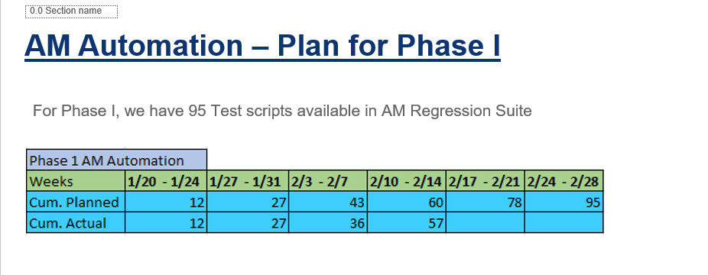
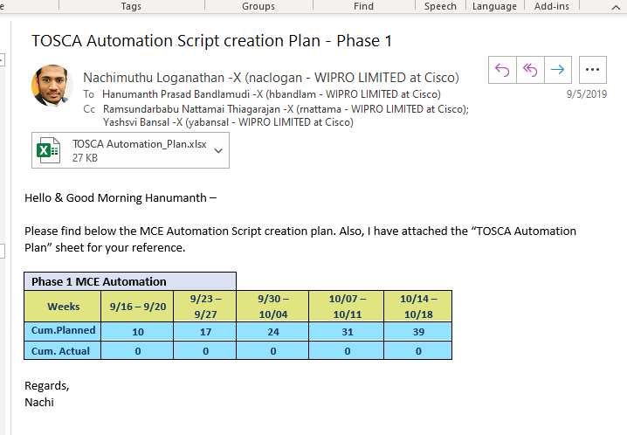
Functionality | Sanity |  | Regression
 | # Scripts | Completion | # Scripts | Completion
Dashboard | 27 | 100% | 53 | 83%
Services & Subscriptions | 16 | 100% | 52 | 41%
Devices | 13 | 100% | 58 | 22%
Global Search | 13 | 100% | 20 | 65%
Version Upgrade | 25 | 100% | 47 | 64%
Take Over Policy | 7 | 100% | 46 | 15%
Portal Broadcast | 8 | 100% | 21 | 38%
e-Delivery | 16 | 100%
Asset Management | 76 | 100% | 161 | 44%
Licenses |  |  | 27 | 0%
Access Migration |  |  | 11 | 0%
Platform Components |  |  | 4 | 0%
One Person | 201 | 50.25 |  | 251.25 | 11.420454545
Sanity | Total number of TCs | weeks |  | days | months

127 | 104 days | per person
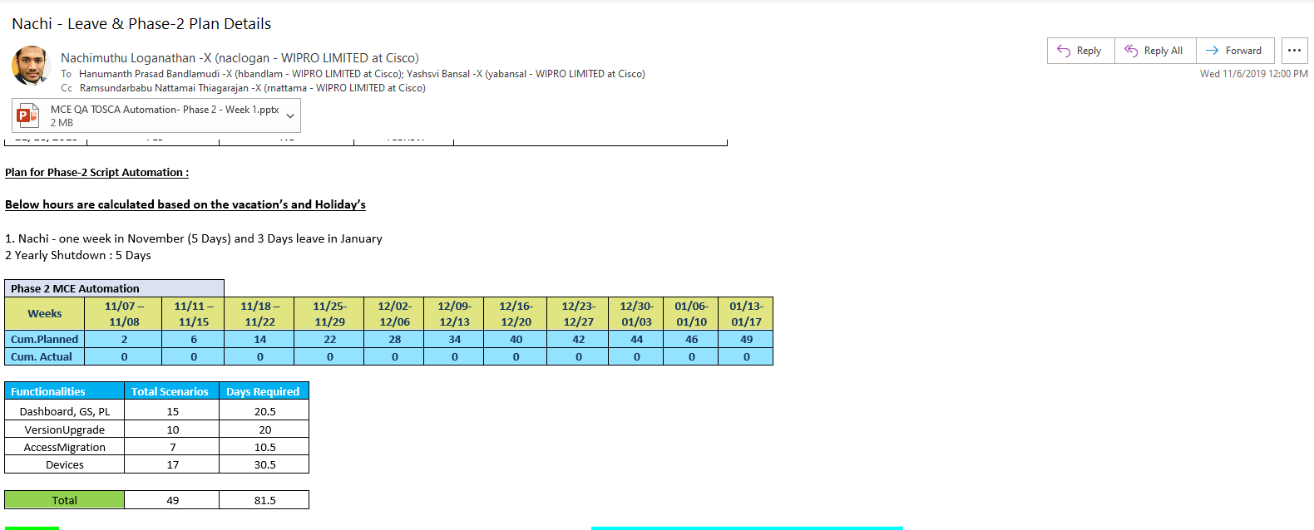
Phases | Total TCs | Today days / person
Phase 1 | 39 | 50
Phase 2 | 49 | 82
Phase 3 | 127 | 96
AM | 76 | 60
 | 291 | 288

Using TOSCA
 | Total TCs | Today days / person
Phase 3 | 127 | 96
AM | 76 | 60
 | 203 | 156

 | 26
 | 16
 | 13
 | 9
 | 17

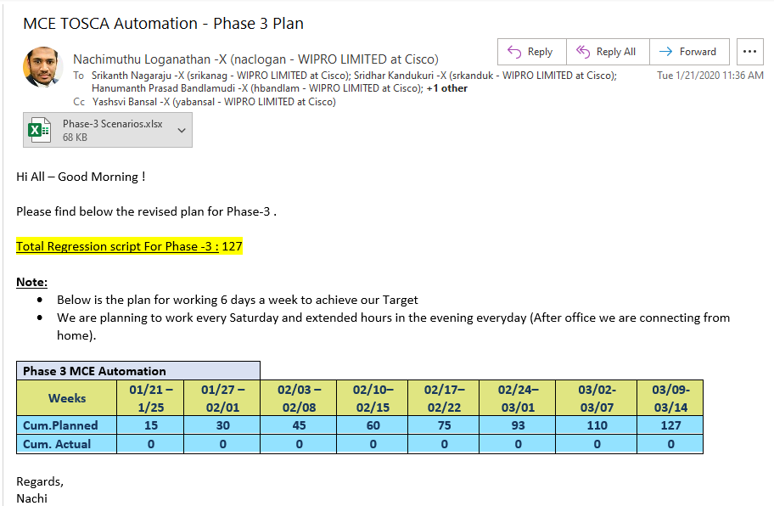

 | 7
 | 6
 | 16
 | 76

